Geochronology
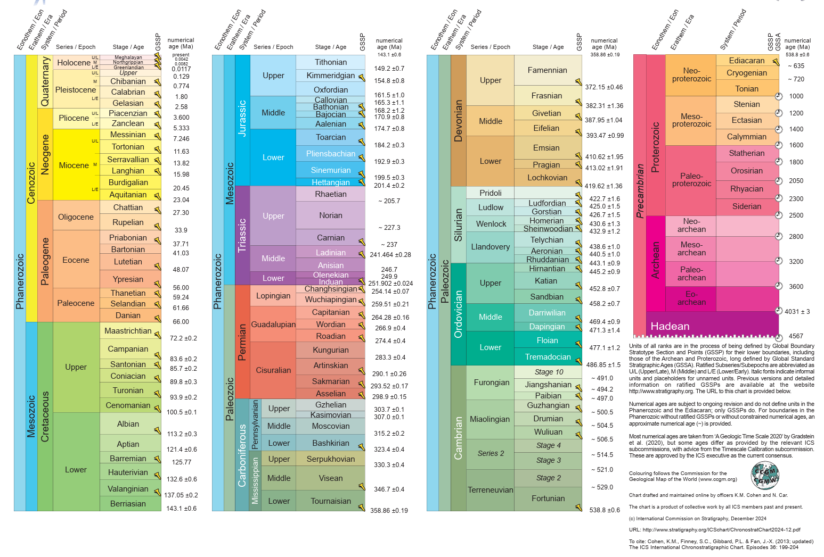
Eonothem /Eon | R | G | B | Erathem/ Era | R | G | B | System/ Period | R | G | B | Series | R | G | B | Series / Epoch | R | G | B | Stage / Age | Numerical age top | Accuracy | Numerical age bottom | Accuracy | R | G | B
Hadean | 174 | 2 | 126 | - | 174 | 2 | 126 | - | 174 | 2 | 126 |  |  |  |  | - | 174 | 2 | 126 | - | 4031 | ±3 | 4567 |  | 174 | 2 | 126
Archean | 240 | 4 | 127 | Eoarchean | 218 | 3 | 127 | - | 230 | 29 | 140 |  |  |  |  | - | 230 | 29 | 140 | - | 3600 |  | 4031 | ±3 | 230 | 29 | 140
Archean | 240 | 4 | 127 | Paleoarchean | 244 | 68 | 159 | - | 246 | 104 | 178 |  |  |  |  | - | 246 | 104 | 178 | - | 3200 |  | 3600 |  | 246 | 104 | 178
Archean | 240 | 4 | 127 | Mesoarchean | 247 | 104 | 169 | - | 248 | 129 | 181 |  |  |  |  | - | 248 | 129 | 181 | - | 2800 |  | 3200 |  | 248 | 129 | 181
Archean | 240 | 4 | 127 | Neoarchean | 249 | 155 | 193 | - | 250 | 167 | 200 |  |  |  |  | - | 250 | 167 | 200 | - | 2500 |  | 2800 |  | 250 | 167 | 200
Proterozoic | 247 | 53 | 99 | Paleoproterozoic | 247 | 67 | 112 | Siderian | 247 | 79 | 124 |  |  |  |  | - | 247 | 79 | 124 | - | 2300 |  | 2500 |  | 247 | 79 | 124
Proterozoic | 247 | 53 | 99 | Paleoproterozoic | 247 | 67 | 112 | Rhyacian | 247 | 91 | 137 |  |  |  |  | - | 247 | 91 | 137 | - | 1900 |  | 2300 |  | 247 | 91 | 137
Proterozoic | 247 | 53 | 99 | Paleoproterozoic | 247 | 67 | 112 | Orosirian | 247 | 104 | 152 |  |  |  |  | - | 247 | 104 | 152 | - | 1800 |  | 1900 |  | 247 | 104 | 152
Proterozoic | 247 | 53 | 99 | Paleoproterozoic | 247 | 67 | 112 | Statherian | 248 | 117 | 167 |  |  |  |  | - | 248 | 117 | 167 | - | 1600 |  | 1800 |  | 248 | 117 | 167
Proterozoic | 247 | 53 | 99 | Mesoproterozoic | 253 | 180 | 98 | Calymmian | 253 | 192 | 122 |  |  |  |  | - | 253 | 192 | 122 | - | 1400 |  | 1600 |  | 253 | 192 | 122
Proterozoic | 247 | 53 | 99 | Mesoproterozoic | 253 | 180 | 98 | Ectasian | 253 | 204 | 138 |  |  |  |  | - | 253 | 204 | 138 | - | 1200 |  | 1400 |  | 253 | 204 | 138
Proterozoic | 247 | 53 | 99 | Mesoproterozoic | 253 | 180 | 98 | Stenian | 254 | 217 | 154 |  |  |  |  | - | 254 | 217 | 154 | - | 1000 |  | 1200 |  | 254 | 217 | 154
Proterozoic | 247 | 53 | 99 | Neoproterozoic | 254 | 179 | 66 | Tonian | 254 | 191 | 78 |  |  |  |  | - | 254 | 191 | 78 | - | 720 |  | 1000 |  | 254 | 191 | 78
Proterozoic | 247 | 53 | 99 | Neoproterozoic | 254 | 179 | 66 | Cryogenian | 254 | 204 | 92 |  |  |  |  | - | 254 | 204 | 92 | - | 635 |  | 720 |  | 254 | 204 | 92
Proterozoic | 247 | 53 | 99 | Neoproterozoic | 254 | 179 | 66 | Ediacaran | 254 | 217 | 106 |  |  |  |  | - | 254 | 217 | 106 | - | 538.8 | ±0.6 | 635 |  | 254 | 217 | 106
Phanerozoic | 154 | 217 | 221 | Paleozoic | 153 | 192 | 141 | Cambrian | 127 | 160 | 86 |  |  |  |  | Terreneuvian | 140 | 176 | 108 | Fortunian | 529 |  | 538.8 | ±0.6 | 153 | 181 | 117
Phanerozoic | 154 | 217 | 221 | Paleozoic | 153 | 192 | 141 | Cambrian | 127 | 160 | 86 |  |  |  |  | Terreneuvian | 140 | 176 | 108 | Stage 2 | 521 |  | 529 |  | 166 | 186 | 128
Phanerozoic | 154 | 217 | 221 | Paleozoic | 153 | 192 | 141 | Cambrian | 127 | 160 | 86 |  |  |  |  | Series 2 | 153 | 192 | 120 | Stage 3 | 514.5 |  | 521 |  | 166 | 197 | 131
Phanerozoic | 154 | 217 | 221 | Paleozoic | 153 | 192 | 141 | Cambrian | 127 | 160 | 86 |  |  |  |  | Series 2 | 153 | 192 | 120 | Stage 4 | 506.5 |  | 514.5 |  | 179 | 202 | 142
Phanerozoic | 154 | 217 | 221 | Paleozoic | 153 | 192 | 141 | Cambrian | 127 | 160 | 86 |  |  |  |  | Miaolingian | 166 | 207 | 134 | Wuliuan | 504.5 |  | 506.5 |  | 179 | 212 | 146
Phanerozoic | 154 | 217 | 221 | Paleozoic | 153 | 192 | 141 | Cambrian | 127 | 160 | 86 |  |  |  |  | Miaolingian | 166 | 207 | 134 | Drumian | 500.5 |  | 504.5 |  | 191 | 217 | 157
Phanerozoic | 154 | 217 | 221 | Paleozoic | 153 | 192 | 141 | Cambrian | 127 | 160 | 86 |  |  |  |  | Miaolingian | 166 | 207 | 134 | Guzhangian | 497 |  | 500.5 |  | 204 | 223 | 170
Phanerozoic | 154 | 217 | 221 | Paleozoic | 153 | 192 | 141 | Cambrian | 127 | 160 | 86 |  |  |  |  | Furongian | 179 | 224 | 149 | Paibian | 494.2 |  | 497 |  | 204 | 235 | 174
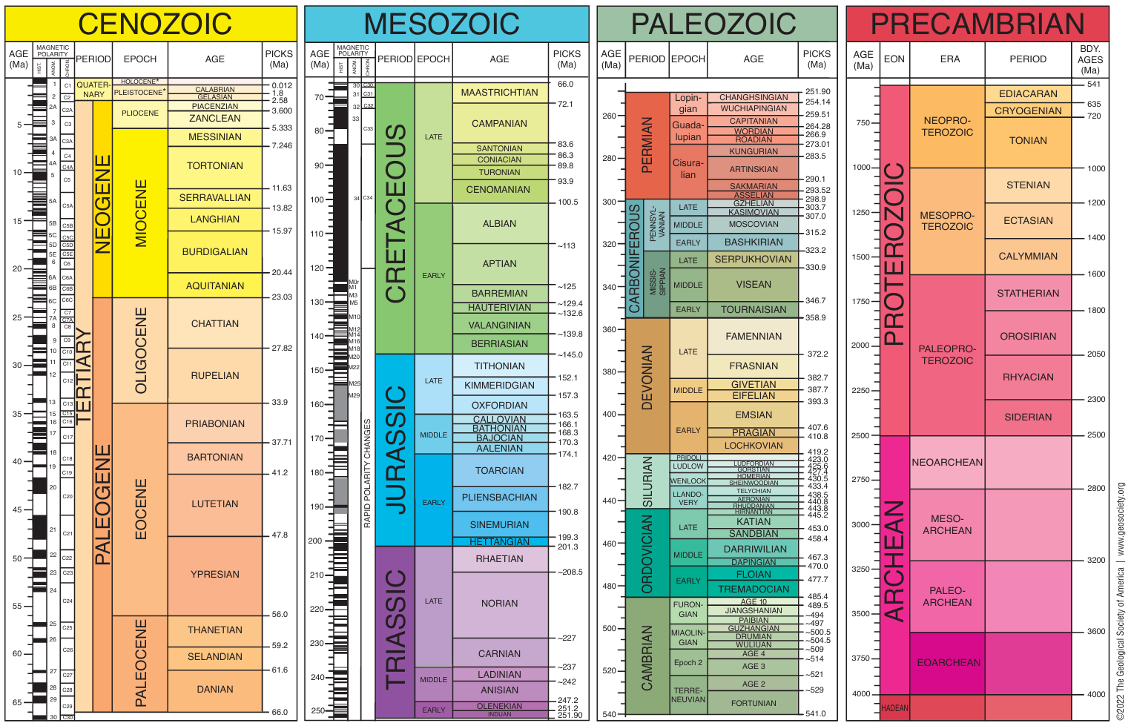
Phanerozoic | 154 | 217 | 221 | Paleozoic | 153 | 192 | 141 | Cambrian | 127 | 160 | 86 |  |  |  |  | Furongian | 179 | 224 | 149 | Jiangshanian | 491 |  | 494.2 |  | 217 | 240 | 187
Phanerozoic | 154 | 217 | 221 | Paleozoic | 153 | 192 | 141 | Cambrian | 127 | 160 | 86 |  |  |  |  | Furongian | 179 | 224 | 149 | Stage 10 | 486.85 | ±1.5 | 491 |  | 230 | 245 | 201
Phanerozoic | 154 | 217 | 221 | Paleozoic | 153 | 192 | 141 | Ordovician | 0 | 146 | 112 |  |  |  |  | Early Ordovician | 26 | 157 | 111 | Tremadocian | 477.1 | ±1.2 | 486.85 | ±1.5 | 51 | 169 | 126
Phanerozoic | 154 | 217 | 221 | Paleozoic | 153 | 192 | 141 | Ordovician | 0 | 146 | 112 |  |  |  |  | Early Ordovician | 26 | 157 | 111 | Floian | 471.3 | ±1.4 | 477.1 | ±1.2 | 65 | 176 | 135
Phanerozoic | 154 | 217 | 221 | Paleozoic | 153 | 192 | 141 | Ordovician | 0 | 146 | 112 |  |  |  |  | Middle Ordovician | 77 | 180 | 126 | Dapingian | 469.4 | ±0.9 | 471.3 | ±1.4 | 102 | 192 | 146
Phanerozoic | 154 | 217 | 221 | Paleozoic | 153 | 192 | 141 | Ordovician | 0 | 146 | 112 |  |  |  |  | Middle Ordovician | 77 | 180 | 126 | Darriwilian | 458.2 | ±0.7 | 469.4 | ±0.9 | 116 | 198 | 156
Phanerozoic | 154 | 217 | 221 | Paleozoic | 153 | 192 | 141 | Ordovician | 0 | 146 | 112 |  |  |  |  | Late Ordovician | 127 | 202 | 147 | Sandbian | 452.8 | ±0.7 | 458.2 | ±0.7 | 140 | 208 | 148
Phanerozoic | 154 | 217 | 221 | Paleozoic | 153 | 192 | 141 | Ordovician | 0 | 146 | 112 |  |  |  |  | Late Ordovician | 127 | 202 | 147 | Katian | 445.2 | ±0.9 | 452.8 | ±0.7 | 153 | 214 | 159
Phanerozoic | 154 | 217 | 221 | Paleozoic | 153 | 192 | 141 | Ordovician | 0 | 146 | 112 |  |  |  |  | Late Ordovician | 127 | 202 | 147 | Hirnantian | 443.1 | ±0.9 | 445.2 | ±0.9 | 166 | 219 | 171
Phanerozoic | 154 | 217 | 221 | Paleozoic | 153 | 192 | 141 | Silurian | 179 | 225 | 182 |  |  |  |  | Llandovery | 153 | 215 | 179 | Rhuddanian | 440.5 | ±1.0 | 443.1 | ±0.9 | 166 | 220 | 181
Phanerozoic | 154 | 217 | 221 | Paleozoic | 153 | 192 | 141 | Silurian | 179 | 225 | 182 |  |  |  |  | Llandovery | 153 | 215 | 179 | Aeronian | 438.6 | ±1.0 | 440.5 | ±1.0 | 179 | 225 | 194
Phanerozoic | 154 | 217 | 221 | Paleozoic | 153 | 192 | 141 | Silurian | 179 | 225 | 182 |  |  |  |  | Llandovery | 153 | 215 | 179 | Telychian | 432.9 | ±1.2 | 438.6 | ±1.0 | 191 | 230 | 207
Phanerozoic | 154 | 217 | 221 | Paleozoic | 153 | 192 | 141 | Silurian | 179 | 225 | 182 |  |  |  |  | Wenlock | 179 | 225 | 194 | Sheinwoodian | 430.6 | ±1.3 | 432.9 | ±1.2 | 191 | 230 | 195
Phanerozoic | 154 | 217 | 221 | Paleozoic | 153 | 192 | 141 | Silurian | 179 | 225 | 182 |  |  |  |  | Wenlock | 179 | 225 | 194 | Homerian | 426.7 | ±1.5 | 430.6 | ±1.3 | 204 | 235 | 209
Phanerozoic | 154 | 217 | 221 | Paleozoic | 153 | 192 | 141 | Silurian | 179 | 225 | 182 |  |  |  |  | Ludlow | 191 | 230 | 207 | Gorstian | 425 | ±1.5 | 426.7 | ±1.5 | 204 | 236 | 221
Phanerozoic | 154 | 217 | 221 | Paleozoic | 153 | 192 | 141 | Silurian | 179 | 225 | 182 |  |  |  |  | Ludlow | 191 | 230 | 207 | Ludfordian | 422.7 | ±1.6 | 425 | ±1.5 | 217 | 240 | 223
Phanerozoic | 154 | 217 | 221 | Paleozoic | 153 | 192 | 141 | Silurian | 179 | 225 | 182 |  |  |  |  | Pridoli | 230 | 245 | 225 | - | 419.62 | ±1.36 | 422.7 | ±1.6 | 230 | 245 | 225
Phanerozoic | 154 | 217 | 221 | Paleozoic | 153 | 192 | 141 | Devonian | 203 | 140 | 55 |  |  |  |  | Early Devonian | 229 | 172 | 77 | Lochkovian | 413.02 | ±1.91 | 419.62 | ±1.36 | 229 | 183 | 90
Phanerozoic | 154 | 217 | 221 | Paleozoic | 153 | 192 | 141 | Devonian | 203 | 140 | 55 |  |  |  |  | Early Devonian | 229 | 172 | 77 | Pragian | 410.62 | ±1.95 | 413.02 | ±1.91 | 229 | 196 | 104
Phanerozoic | 154 | 217 | 221 | Paleozoic | 153 | 192 | 141 | Devonian | 203 | 140 | 55 |  |  |  |  | Early Devonian | 229 | 172 | 77 | Emsian | 393.47 | ±0.99 | 410.62 | ±1.95 | 229 | 208 | 117
Phanerozoic | 154 | 217 | 221 | Paleozoic | 153 | 192 | 141 | Devonian | 203 | 140 | 55 |  |  |  |  | Middle Devonian | 241 | 200 | 104 | Eifelian | 387.95 | ±1.04 | 393.47 | ±0.99 | 241 | 213 | 118
Phanerozoic | 154 | 217 | 221 | Paleozoic | 153 | 192 | 141 | Devonian | 203 | 140 | 55 |  |  |  |  | Middle Devonian | 241 | 200 | 104 | Givetian | 382.31 | ±1.36 | 387.95 | ±1.04 | 241 | 225 | 133
Phanerozoic | 154 | 217 | 221 | Paleozoic | 153 | 192 | 141 | Devonian | 203 | 140 | 55 |  |  |  |  | Late Devonian | 241 | 225 | 157 | Frasnian | 372.15 | ±0.46 | 382.31 | ±1.36 | 242 | 237 | 173
Phanerozoic | 154 | 217 | 221 | Paleozoic | 153 | 192 | 141 | Devonian | 203 | 140 | 55 |  |  |  |  | Late Devonian | 241 | 225 | 157 | Famennian | 358.86 | ±0.19 | 372.15 | ±0.46 | 242 | 237 | 197
Phanerozoic | 154 | 217 | 221 | Paleozoic | 153 | 192 | 141 | Carboniferous | 103 | 165 | 153 | Mississippian | 103 | 143 | 102 | Early Mississippian | 128 | 171 | 108 | Tournaisian | 346.7 | ±0.4 | 358.86 | ±0.19 | 140 | 176 | 108
Phanerozoic | 154 | 217 | 221 | Paleozoic | 153 | 192 | 141 | Carboniferous | 103 | 165 | 153 | Mississippian | 103 | 143 | 102 | Middle Mississippian | 153 | 180 | 108 | Visean | 330.3 | ±0.4 | 346.7 | ±0.4 | 166 | 185 | 108
Phanerozoic | 154 | 217 | 221 | Paleozoic | 153 | 192 | 141 | Carboniferous | 103 | 165 | 153 | Mississippian | 103 | 143 | 102 | Late Mississippian | 179 | 190 | 108 | Serpukhovian | 323.4 | ±0.4 | 330.3 | ±0.4 | 191 | 194 | 107
Phanerozoic | 154 | 217 | 221 | Paleozoic | 153 | 192 | 141 | Carboniferous | 103 | 165 | 153 | Pennsylvanian | 153 | 194 | 181 | Early Pennsylvanian | 140 | 190 | 180 | Bashkirian | 315.2 | ±0.2 | 323.4 | ±0.4 | 153 | 194 | 181
Phanerozoic | 154 | 217 | 221 | Paleozoic | 153 | 192 | 141 | Carboniferous | 103 | 165 | 153 | Pennsylvanian | 153 | 194 | 181 | Middle Pennsylvanian | 166 | 199 | 183 | Moscovian | 307 | ±0.1 | 315.2 | ±0.2 | 179 | 203 | 185
Phanerozoic | 154 | 217 | 221 | Paleozoic | 153 | 192 | 141 | Carboniferous | 103 | 165 | 153 | Pennsylvanian | 153 | 194 | 181 | Late Pennsylvanian | 191 | 208 | 186 | Kasimovian | 303.7 | ±0.1 | 307 | ±0.1 | 191 | 208 | 197
Phanerozoic | 154 | 217 | 221 | Paleozoic | 153 | 192 | 141 | Carboniferous | 103 | 165 | 153 | Pennsylvanian | 153 | 194 | 181 | Late Pennsylvanian | 191 | 208 | 186 | Gzhelian | 298.9 | ±0.15 | 303.7 | ±0.1 | 204 | 212 | 199
Phanerozoic | 154 | 217 | 221 | Paleozoic | 153 | 192 | 141 | Permian | 240 | 64 | 40 |  |  |  |  | Cisuralian | 239 | 88 | 69 | Asselian | 293.52 | ±0.17 | 298.9 | ±0.15 | 227 | 99 | 80
Phanerozoic | 154 | 217 | 221 | Paleozoic | 153 | 192 | 141 | Permian | 240 | 64 | 40 |  |  |  |  | Cisuralian | 239 | 88 | 69 | Sakmarian | 290.1 | ±0.26 | 293.52 | ±0.17 | 227 | 111 | 92
Phanerozoic | 154 | 217 | 221 | Paleozoic | 153 | 192 | 141 | Permian | 240 | 64 | 40 |  |  |  |  | Cisuralian | 239 | 88 | 69 | Artinskian | 283.3 | ±0.4 | 290.1 | ±0.26 | 227 | 123 | 104
Phanerozoic | 154 | 217 | 221 | Paleozoic | 153 | 192 | 141 | Permian | 240 | 64 | 40 |  |  |  |  | Cisuralian | 239 | 88 | 69 | Kungurian | 274.4 | ±0.4 | 283.3 | ±0.4 | 227 | 135 | 118
Phanerozoic | 154 | 217 | 221 | Paleozoic | 153 | 192 | 141 | Permian | 240 | 64 | 40 |  |  |  |  | Guadalupian | 251 | 116 | 92 | Roadian | 266.9 | ±0.4 | 274.4 | ±0.4 | 251 | 128 | 105
Phanerozoic | 154 | 217 | 221 | Paleozoic | 153 | 192 | 141 | Permian | 240 | 64 | 40 |  |  |  |  | Guadalupian | 251 | 116 | 92 | Wordian | 264.28 | ±0.16 | 266.9 | ±0.4 | 251 | 141 | 118
Phanerozoic | 154 | 217 | 221 | Paleozoic | 153 | 192 | 141 | Permian | 240 | 64 | 40 |  |  |  |  | Guadalupian | 251 | 116 | 92 | Capitanian | 259.51 | ±0.21 | 264.28 | ±0.16 | 251 | 154 | 133
Phanerozoic | 154 | 217 | 221 | Paleozoic | 153 | 192 | 141 | Permian | 240 | 64 | 40 |  |  |  |  | Lopingian | 251 | 167 | 148 | Wuchiapingian | 254.14 | ±0.07 | 259.51 | ±0.21 | 252 | 180 | 162
Phanerozoic | 154 | 217 | 221 | Paleozoic | 153 | 192 | 141 | Permian | 240 | 64 | 40 |  |  |  |  | Lopingian | 251 | 167 | 148 | Changhsingian | 251.902 | ±0.024 | 254.14 | ±0.07 | 252 | 192 | 178
Phanerozoic | 154 | 217 | 221 | Mesozoic | 103 | 197 | 202 | Triassic | 129 | 43 | 146 |  |  |  |  | Early Triassic | 152 | 57 | 153 | Induan | 249.9 |  | 251.902 | ±0.024 | 164 | 70 | 159
Phanerozoic | 154 | 217 | 221 | Mesozoic | 103 | 197 | 202 | Triassic | 129 | 43 | 146 |  |  |  |  | Early Triassic | 152 | 57 | 153 | Olenekian | 246.7 |  | 249.9 |  | 176 | 81 | 165
Phanerozoic | 154 | 217 | 221 | Mesozoic | 103 | 197 | 202 | Triassic | 129 | 43 | 146 |  |  |  |  | Middle Triassic | 177 | 104 | 177 | Anisian | 241.464 | ±0.28 | 246.7 |  | 188 | 117 | 183
Phanerozoic | 154 | 217 | 221 | Mesozoic | 103 | 197 | 202 | Triassic | 129 | 43 | 146 |  |  |  |  | Middle Triassic | 177 | 104 | 177 | Ladinian | 237 |  | 241.464 | ±0.28 | 201 | 131 | 191
Phanerozoic | 154 | 217 | 221 | Mesozoic | 103 | 197 | 202 | Triassic | 129 | 43 | 146 |  |  |  |  | Late Triassic | 189 | 140 | 195 | Carnian | 227.3 |  | 237 |  | 201 | 155 | 203
Phanerozoic | 154 | 217 | 221 | Mesozoic | 103 | 197 | 202 | Triassic | 129 | 43 | 146 |  |  |  |  | Late Triassic | 189 | 140 | 195 | Norian | 205.7 |  | 227.3 |  | 214 | 170 | 211
Phanerozoic | 154 | 217 | 221 | Mesozoic | 103 | 197 | 202 | Triassic | 129 | 43 | 146 |  |  |  |  | Late Triassic | 189 | 140 | 195 | Rhaetian | 201.4 | ±0.2 | 205.7 |  | 227 | 185 | 219
Phanerozoic | 154 | 217 | 221 | Mesozoic | 103 | 197 | 202 | Jurassic | 52 | 178 | 201 |  |  |  |  | Early Jurassic | 66 | 174 | 208 | Hettangian | 199.5 | ±0.3 | 201.4 | ±0.2 | 78 | 179 | 211
Phanerozoic | 154 | 217 | 221 | Mesozoic | 103 | 197 | 202 | Jurassic | 52 | 178 | 201 |  |  |  |  | Early Jurassic | 66 | 174 | 208 | Sinemurian | 192.9 | ±0.3 | 199.5 | ±0.3 | 103 | 188 | 216
Phanerozoic | 154 | 217 | 221 | Mesozoic | 103 | 197 | 202 | Jurassic | 52 | 178 | 201 |  |  |  |  | Early Jurassic | 66 | 174 | 208 | Pliensbachian | 184.2 | ±0.3 | 192.9 | ±0.3 | 128 | 197 | 221
Phanerozoic | 154 | 217 | 221 | Mesozoic | 103 | 197 | 202 | Jurassic | 52 | 178 | 201 |  |  |  |  | Early Jurassic | 66 | 174 | 208 | Toarcian | 174.7 | ±0.8 | 184.2 | ±0.3 | 153 | 206 | 227
Phanerozoic | 154 | 217 | 221 | Mesozoic | 103 | 197 | 202 | Jurassic | 52 | 178 | 201 |  |  |  |  | Middle Jurassic | 128 | 207 | 216 | Aalenian | 170.9 | ±0.8 | 174.7 | ±0.8 | 154 | 217 | 221
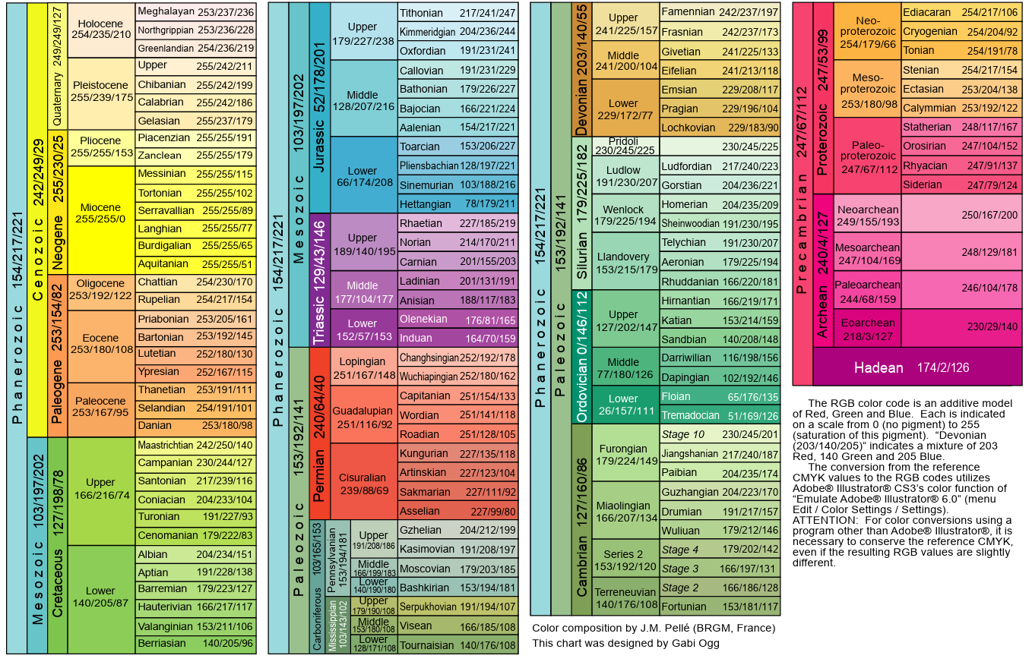
Phanerozoic | 154 | 217 | 221 | Mesozoic | 103 | 197 | 202 | Jurassic | 52 | 178 | 201 |  |  |  |  | Middle Jurassic | 128 | 207 | 216 | Bajocian | 168.2 | ±1.2 | 170.9 | ±0.8 | 166 | 221 | 224
Phanerozoic | 154 | 217 | 221 | Mesozoic | 103 | 197 | 202 | Jurassic | 52 | 178 | 201 |  |  |  |  | Middle Jurassic | 128 | 207 | 216 | Bathonian | 165.3 | ±1.1 | 168.2 | ±1.2 | 179 | 226 | 227
Phanerozoic | 154 | 217 | 221 | Mesozoic | 103 | 197 | 202 | Jurassic | 52 | 178 | 201 |  |  |  |  | Middle Jurassic | 128 | 207 | 216 | Callovian | 161.5 | ±1.0 | 165.3 | ±1.1 | 191 | 231 | 229
Phanerozoic | 154 | 217 | 221 | Mesozoic | 103 | 197 | 202 | Jurassic | 52 | 178 | 201 |  |  |  |  | Late Jurassic | 179 | 227 | 238 | Oxfordian | 154.8 | ±0.8 | 161.5 | ±1.0 | 191 | 231 | 241
Phanerozoic | 154 | 217 | 221 | Mesozoic | 103 | 197 | 202 | Jurassic | 52 | 178 | 201 |  |  |  |  | Late Jurassic | 179 | 227 | 238 | Kimmeridgian | 149.2 | ±0.7 | 154.8 | ±0.8 | 204 | 236 | 244
Phanerozoic | 154 | 217 | 221 | Mesozoic | 103 | 197 | 202 | Jurassic | 52 | 178 | 201 |  |  |  |  | Late Jurassic | 179 | 227 | 238 | Tithonian | 143.1 | ±0.6 | 149.2 | ±0.7 | 217 | 241 | 247
Phanerozoic | 154 | 217 | 221 | Mesozoic | 103 | 197 | 202 | Cretaceous | 127 | 198 | 78 |  |  |  |  | Early Cretaceous | 140 | 205 | 87 | Berriasian | 137.05 | ±0.2 | 143.1 | ±0.6 | 140 | 205 | 96
Phanerozoic | 154 | 217 | 221 | Mesozoic | 103 | 197 | 202 | Cretaceous | 127 | 198 | 78 |  |  |  |  | Early Cretaceous | 140 | 205 | 87 | Valanginian | 132.6 | ±0.6 | 137.05 | ±0.2 | 153 | 211 | 106
Phanerozoic | 154 | 217 | 221 | Mesozoic | 103 | 197 | 202 | Cretaceous | 127 | 198 | 78 |  |  |  |  | Early Cretaceous | 140 | 205 | 87 | Hauterivian | 125.77 |  | 132.6 | ±0.6 | 166 | 217 | 117
Phanerozoic | 154 | 217 | 221 | Mesozoic | 103 | 197 | 202 | Cretaceous | 127 | 198 | 78 |  |  |  |  | Early Cretaceous | 140 | 205 | 87 | Barremian | 121.4 | ±0.6 | 125.77 |  | 179 | 223 | 127
Phanerozoic | 154 | 217 | 221 | Mesozoic | 103 | 197 | 202 | Cretaceous | 127 | 198 | 78 |  |  |  |  | Early Cretaceous | 140 | 205 | 87 | Aptian | 113.2 | ±0.3 | 121.4 | ±0.6 | 191 | 228 | 138
Phanerozoic | 154 | 217 | 221 | Mesozoic | 103 | 197 | 202 | Cretaceous | 127 | 198 | 78 |  |  |  |  | Early Cretaceous | 140 | 205 | 87 | Albian | 100.5 | ±0.1 | 113.2 | ±0.3 | 204 | 234 | 151
Phanerozoic | 154 | 217 | 221 | Mesozoic | 103 | 197 | 202 | Cretaceous | 127 | 198 | 78 |  |  |  |  | Late Cretaceous | 166 | 216 | 74 | Cenomanian | 93.9 | ±0.2 | 100.5 | ±0.1 | 179 | 222 | 83
Phanerozoic | 154 | 217 | 221 | Mesozoic | 103 | 197 | 202 | Cretaceous | 127 | 198 | 78 |  |  |  |  | Late Cretaceous | 166 | 216 | 74 | Turonian | 89.8 | ±0.3 | 93.9 | ±0.2 | 191 | 227 | 93
Phanerozoic | 154 | 217 | 221 | Mesozoic | 103 | 197 | 202 | Cretaceous | 127 | 198 | 78 |  |  |  |  | Late Cretaceous | 166 | 216 | 74 | Coniacian | 85.7 | ±0.2 | 89.8 | ±0.3 | 204 | 233 | 104
Phanerozoic | 154 | 217 | 221 | Mesozoic | 103 | 197 | 202 | Cretaceous | 127 | 198 | 78 |  |  |  |  | Late Cretaceous | 166 | 216 | 74 | Santonian | 83.6 | ±0.2 | 85.7 | ±0.2 | 217 | 239 | 116
Phanerozoic | 154 | 217 | 221 | Mesozoic | 103 | 197 | 202 | Cretaceous | 127 | 198 | 78 |  |  |  |  | Late Cretaceous | 166 | 216 | 74 | Campanian | 72.2 | ±0.2 | 83.6 | ±0.2 | 230 | 244 | 127
Phanerozoic | 154 | 217 | 221 | Mesozoic | 103 | 197 | 202 | Cretaceous | 127 | 198 | 78 |  |  |  |  | Late Cretaceous | 166 | 216 | 74 | Maastrichtian | 66 |  | 72.2 | ±0.2 | 242 | 250 | 140
Phanerozoic | 154 | 217 | 221 | Cenozoic | 242 | 249 | 29 | Paleogene | 253 | 154 | 82 |  |  |  |  | Paleocene | 253 | 167 | 95 | Danian | 61.66 |  | 66 |  | 253 | 180 | 98
Phanerozoic | 154 | 217 | 221 | Cenozoic | 242 | 249 | 29 | Paleogene | 253 | 154 | 82 |  |  |  |  | Paleocene | 253 | 167 | 95 | Selandian | 59.24 |  | 61.66 |  | 254 | 191 | 101
Phanerozoic | 154 | 217 | 221 | Cenozoic | 242 | 249 | 29 | Paleogene | 253 | 154 | 82 |  |  |  |  | Paleocene | 253 | 167 | 95 | Thanetian | 56 |  | 59.24 |  | 253 | 191 | 111
Phanerozoic | 154 | 217 | 221 | Cenozoic | 242 | 249 | 29 | Paleogene | 253 | 154 | 82 |  |  |  |  | Eocene | 253 | 180 | 108 | Ypresian | 48.07 |  | 56 |  | 252 | 167 | 115
Phanerozoic | 154 | 217 | 221 | Cenozoic | 242 | 249 | 29 | Paleogene | 253 | 154 | 82 |  |  |  |  | Eocene | 253 | 180 | 108 | Lutetian | 41.03 |  | 48.07 |  | 252 | 180 | 130
Phanerozoic | 154 | 217 | 221 | Cenozoic | 242 | 249 | 29 | Paleogene | 253 | 154 | 82 |  |  |  |  | Eocene | 253 | 180 | 108 | Bartonian | 37.71 |  | 41.03 |  | 253 | 192 | 145
Phanerozoic | 154 | 217 | 221 | Cenozoic | 242 | 249 | 29 | Paleogene | 253 | 154 | 82 |  |  |  |  | Eocene | 253 | 180 | 108 | Priabonian | 33.9 |  | 37.71 |  | 253 | 205 | 161
Phanerozoic | 154 | 217 | 221 | Cenozoic | 242 | 249 | 29 | Paleogene | 253 | 154 | 82 |  |  |  |  | Oligocene | 253 | 192 | 122 | Rupelian | 27.3 |  | 33.9 |  | 254 | 217 | 154
Phanerozoic | 154 | 217 | 221 | Cenozoic | 242 | 249 | 29 | Paleogene | 253 | 154 | 82 |  |  |  |  | Oligocene | 253 | 192 | 122 | Chattian | 23.04 |  | 27.3 |  | 254 | 230 | 170
Phanerozoic | 154 | 217 | 221 | Cenozoic | 242 | 249 | 29 | Neogene | 255 | 230 | 25 |  |  |  |  | Miocene | 255 | 255 | 0 | Aquitanian | 20.45 |  | 23.04 |  | 255 | 255 | 51
Phanerozoic | 154 | 217 | 221 | Cenozoic | 242 | 249 | 29 | Neogene | 255 | 230 | 25 |  |  |  |  | Miocene | 255 | 255 | 0 | Burdigalian | 15.98 |  | 20.45 |  | 255 | 255 | 65
Phanerozoic | 154 | 217 | 221 | Cenozoic | 242 | 249 | 29 | Neogene | 255 | 230 | 25 |  |  |  |  | Miocene | 255 | 255 | 0 | Langhian | 13.82 |  | 15.98 |  | 255 | 255 | 77
Phanerozoic | 154 | 217 | 221 | Cenozoic | 242 | 249 | 29 | Neogene | 255 | 230 | 25 |  |  |  |  | Miocene | 255 | 255 | 0 | Serravallian | 11.63 |  | 13.82 |  | 255 | 255 | 89
Phanerozoic | 154 | 217 | 221 | Cenozoic | 242 | 249 | 29 | Neogene | 255 | 230 | 25 |  |  |  |  | Miocene | 255 | 255 | 0 | Tortonian | 7.246 |  | 11.63 |  | 255 | 255 | 102
Phanerozoic | 154 | 217 | 221 | Cenozoic | 242 | 249 | 29 | Neogene | 255 | 230 | 25 |  |  |  |  | Miocene | 255 | 255 | 0 | Messinian | 5.333 |  | 7.246 |  | 255 | 255 | 115
Phanerozoic | 154 | 217 | 221 | Cenozoic | 242 | 249 | 29 | Neogene | 255 | 230 | 25 |  |  |  |  | Pliocene | 255 | 255 | 153 | Zanclean | 3.6 |  | 5.333 |  | 255 | 255 | 179
Phanerozoic | 154 | 217 | 221 | Cenozoic | 242 | 249 | 29 | Neogene | 255 | 230 | 25 |  |  |  |  | Pliocene | 255 | 255 | 153 | Piacenzian | 2.58 |  | 3.6 |  | 255 | 255 | 191
Phanerozoic | 154 | 217 | 221 | Cenozoic | 242 | 249 | 29 | Quaternary | 249 | 249 | 127 |  |  |  |  | Pleistocene | 255 | 239 | 175 | Gelasian | 1.8 |  | 2.58 |  | 255 | 237 | 179
Phanerozoic | 154 | 217 | 221 | Cenozoic | 242 | 249 | 29 | Quaternary | 249 | 249 | 127 |  |  |  |  | Pleistocene | 255 | 239 | 175 | Calabrian | 0.774 |  | 1.8 |  | 255 | 242 | 186
Phanerozoic | 154 | 217 | 221 | Cenozoic | 242 | 249 | 29 | Quaternary | 249 | 249 | 127 |  |  |  |  | Pleistocene | 255 | 239 | 175 | Chibanian | 0.129 |  | 0.774 |  | 255 | 242 | 199
Phanerozoic | 154 | 217 | 221 | Cenozoic | 242 | 249 | 29 | Quaternary | 249 | 249 | 127 |  |  |  |  | Pleistocene | 255 | 239 | 175 | Upper | 0.0117 |  | 0.129 |  | 255 | 242 | 211
Phanerozoic | 154 | 217 | 221 | Cenozoic | 242 | 249 | 29 | Quaternary | 249 | 249 | 127 |  |  |  |  | Holocene | 254 | 235 | 210 | Greenlandian | 0.0082 |  | 0.0117 |  | 254 | 236 | 219
Phanerozoic | 154 | 217 | 221 | Cenozoic | 242 | 249 | 29 | Quaternary | 249 | 249 | 127 |  |  |  |  | Holocene | 254 | 235 | 210 | Northgrippian | 0.0042 |  | 0.0082 |  | 253 | 236 | 228
Phanerozoic | 154 | 217 | 221 | Cenozoic | 242 | 249 | 29 | Quaternary | 249 | 249 | 127 |  |  |  |  | Holocene | 254 | 235 | 210 | Meghalayan | 0 |  | 0.0042 |  | 253 | 237 | 236

